Calibration
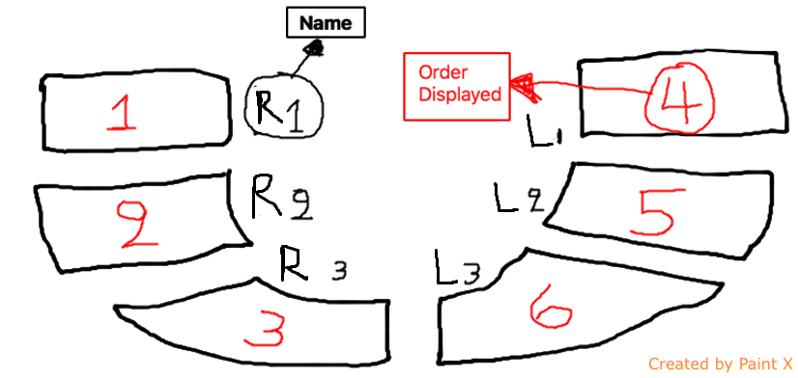
Weight Calibration for the Pads (1 Jack; Raw Tag_Value) |  |  |  |  |  |  | Weights applied to the Load Cells (Average Buffer)
 | Left 1 | Left 2 | Left 3 | Right 1 | Right 2 | Right 3 | Weights(Kg) | Left 1 | Left 2 | Left 3 | Right 1 | Right 2 | Right 3
1st buffer | 40.59 | 41.23 | 40.59 | 40.59 | 40.59 | 40.59 | 1st buff | 0.03 | 0.02 | 0.03 | 0.02 | -0.01 | 0.04
2nd buffer | 50.67 | 47.14 | 48.36 | 44.41 | 42.17 | 46.41 | 2nd buff | 11.53 | 7.67 | 8.38 | 14.20 | 15.11 | 14.19
3rd buffer | 87.16 | 77.41 | 79.19 | 77.22 | 66.10 | 80.19 | 3rd buff | 24.63 | 18.52 | 22.85 | 28.74 | 27.15 | 27.81
4th buffer | 113.37 | 100.98 | 100.97 | 104.00 | 88.11 | 104.89 | 4th buff | 39.58 | 32.60 | 41.04 | 44.77 | 41.47 | 45.17
5th buffer | 156.39 | 143.52 | 141.57 | 152.88 | 131.67 | 148.97 | 5th buff | 71.97 | 61.35 | 79.22 | 79.15 | 71.43 | 81.15
Fitting for: Tag_Value = Mass *b + a
Fitting R2 | 0.98 | 0.99 | 0.98 | 0.98 | 0.97 | 0.98
cov(x, y) | 1046.39 | 806.61 | 1025.94 | 1123.88 | 810.32 | 1107.89 | Data for JSON Setup Script
varp(x) | 624.08 | 468.14 | 792.16 | 745.38 | 594.63 | 786.28 | Fitting for: Mass = Tag_Value/b - a/b
slope b | 1.68 | 1.72 | 1.30 | 1.51 | 1.36 | 1.41 | slope b | 0.60 | 0.58 | 0.77 | 0.66 | 0.73 | 0.71
intercept a | 40.09 | 40.65 | 42.89 | 33.50 | 31.44 | 36.76 | intercept a | -23.91 | -23.59 | -33.12 | -22.22 | -23.07 | -26.09
Built-in Slope Func | 1.68 | 1.72 | 1.30 | 1.51 | 1.36 | 1.41 | Linear Off | 0.50 | 0.58 | -2.30 | 7.09 | 9.15 | 3.83
Built-in Intercept | 40.09 | 40.65 | 42.89 | 33.50 | 31.44 | 36.76
Projecting (Raw Tag) | 40.09 | 40.65 | 42.89 | 33.50 | 31.44 | 36.76
Enter value (Kg) | 0.00 | 0.00 | 0.00 | 0.00 | 0.00 | 0.00

Right 1 Sensor (Bottom)
Right 2 Sensor (Middle)

Right 3 Sensor (Top)
Left 1 Sensor (Bottom)

Left 2 Sensor (Middle)
Left 3 Sensor (Top)

Schematic of Calibration Machine facing up

